Production Schedule
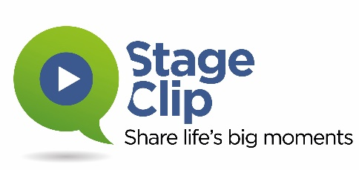

StageClip Virtual Ceremony Production Timeline
Items Highlighted in blue require action by the University/Institution
2020-12-10 | Enter Your Ceremony Date
On or Before | Production Milestone
2020-11-12 | Agreement Signed/Client Setup in StageClip system
2020-11-15 | Graphics/Video due to StageClip (Excluding Speeches/Ceremony Elements)
2020-11-20 | Survey and/or Snapchat Final Approval Due*
2020-11-20 | Participant List Due to StageClip (Unless working with MarchingOrder)
2020-11-22 | Participants invited to upload content to portal (Unless working with MarchingOrder)
2020-11-24 | Reminder to Participants who have not submitted content
2020-11-28 | Second Reminder to Participants who have not submitted content
2020-11-28 | Platform Speeches/Video & Name Recordings (if applicable) due to StageClip
2020-11-29 | Deadline for Participants to submit content
2020-12-05 | Ceremony Preview Available; Ceremony Sent for Captioning if applicable
2020-12-08 | Pre-event reminder sent to Participants with Link to Clip Site
2020-12-09 | Final Approved Ceremony Video and Captioning (if applicable) loaded to YouTube
2020-12-10 | Ceremony Date: Separate Event and Clip Notification sent to Participants
2020-12-14 | Reminder to Participants who have not accessed their clip
2020-12-18 | Second Reminder to Participants who have not accessed their clip
2021-01-09 | Snapchat Lens Deactivated (if applicable)
Timelines are estimated based on a typical production workflow. Special circumstances may apply.
*If you are working with MarchingOrder and are including a Snapchat Lens and/or a Survey, those must be setup with StageClip prior to loading your participant lists to MarchingOrder.

